Read me
 | The 2018 Global Adoption Survey of Mobile Money

Scope | The 2018 Global Adoption Survey of Mobile Money captures quantitative information about the performance of mobile financial services across the globe. This data is used to develop our annual global State of the Industry Report on Mobile Money. All respondents will receive a confidential Benchmark Report, which assesses the performance of their service, across over 20 industry indicators, against their peers at a global and regional level.

 | View the 2017 State of the Industry Report on Mobile Money
 | View a sample Benchmark Report

GSMA's Defintion of Mobile Money | A mobile money service involves transferring money and making payments using a mobile phone. Mobile money services who meet the following criteria are eligible to participate in the survey: • The service must be available to the unbanked, i.e., to people who do not have access to a formal account at a financial institution. • The service must offer at least one of the following services: Storage of value; Domestic or international transfer; Mobile payment, including bill payment, bulk disbursement, and merchant payment. • The service must offer a network of physical transactional points outside bank branches and ATMs that make the service widely accessible to everyone • The service must offer an interface for initiating transactions for agents or customers that is available on mobile devices. • Mobile banking services that offer the mobile phone as just another channel to access a traditional banking product are not included. • Payment services linked to a traditional banking product or credit card, such as Apple Pay and Google Wallet, are not included.

Survey Structure | The survey structure is illustrated in the below.
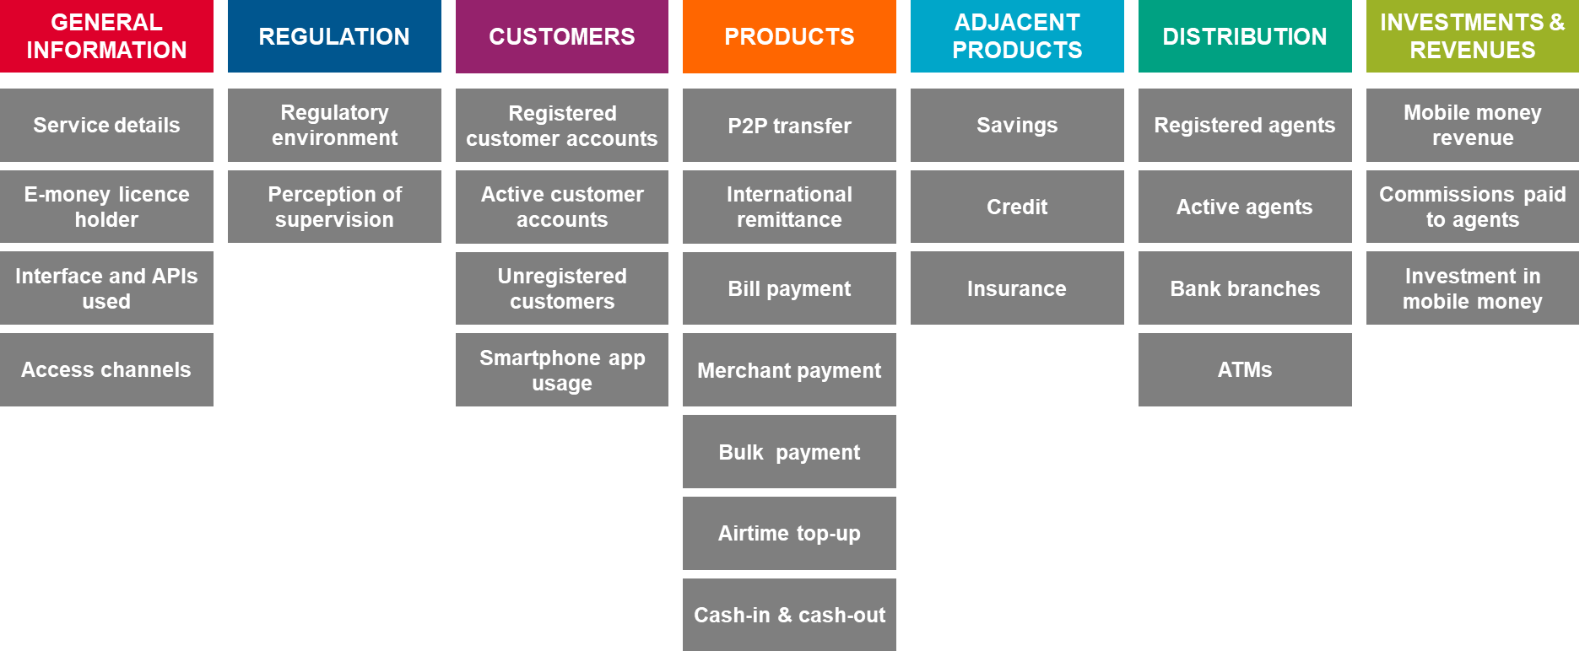

Data confidentiality | Data will be kept confidential; all proprietary data that is shared with GSMA Mobile Money Programme is governed by strict non-disclosure agreements. This data is used to analyze the global and regional development of mobile financial services which target the underserved, but reported figures that are aggregated or that have been completely anonymised are only being published so that the results of individual participants cannot be deduced.

Key definitions

Metric | Definition
Registered customer account | The cumulative number of customer accounts that have been opened as at the end of the months indicated. Customers who have not been registered but perform transactions over the counter SHOULD NOT be counted.
Active customer account | The number of customer accounts that have been used to perform at least one P2P payment, bill payment, bulk payment, cash in to account, cash out from account, or airtime top up from account for at least one of the time periods indicated. Balance inquiries, PIN resets, and other transactions that do not involve the movement of value SHOULD NOT qualify a customer account as active.
Unregistered customer | Customers who use your service Over The Counter (OTC) as well are recipients of off-net transfers.
Over the Counter (OTC) | Over the counter customers transact using agents for bill payment, P2P transfers, bulk payments and International remittances.
Registered agent outlet | The cumulative number of transactional outlets that have been registered as at the end of the months indicated. In the case of mobile money, an agent outlet is a location where one or several provider-issued tills are used to conduct transactions for clients. The most important of these are cash-in and cash-out (i.e. loading value into the mobile money system, and then converting it back out again); in many instances, agents register new customers too.
Active agent outlet | For the purpose of this survey, active agent outlets are defined as outlets that have facilitated at least one transaction within the past 30 days.
Domestic on-net P2P transfers | Domestic transfers that were made between two customer accounts.
Outbound off-net/cross-net transfers | Domestic transfers to unregistered users with vouchers or into the mobile wallet of a different mobile money provider where wallet-to-wallet interconnection is available.
International remittances | International transfers that were made between customer accounts, regardless of whether they originated from an account or were made over the counter.
Bills payments | Payments of bills using mobile money, regardless of whether they originated from an account or were made over the counter.
Merchant payments | Movements of value from a customer to a merchant to pay for goods or services at the point of sale using an account.
Airtime top-ups | Airtime top-ups funded from customer accounts. Airtime top-ups include top-ups for voice, data and SMS, as well as for bundles of any combination of these. Purchases of airtime that are funded by OTC payments SHOULD NOT be included.
Bulk payments | Bulk payments such as salary payments, government or NGO transfers, regardless of whether they terminated in an account or over the counter.
Cash-ins | Cash ins to customer accounts. Over-the-counter P2P payments, bill payments, or airtime top ups SHOULD NOT be included.
Cash-outs | Cash-outs from customer accounts. Over-the-counter collection of bulk payments or P2P payments SHOULD NOT be included.

Reporting Cycle

Metric | Reporting Cycle
1. Registered customer account 2. Registered agent outlet | Must be reported for the full quarter ending: September 2017, December 2017, March 2018 and June 2018. • Please provide cumulative numbers.
Number and value of: 1. P2P transfers 2. International remittances 3. Bills payments 4. Merchant payments 5. Airtime top-ups 6. Bulk payments 7. Cash-ins 8. Cash-outs | Must be reported for 4 months of the year: September 2017, December 2017, March 2018 and June 2018. • Please provide numbers for each of these months, not for the full quarter. Please do NOT provide cumulative numbers.

