Contents
 | Contents

 | Links

Data and Graph
Availability: number of services
Data
Accessibility: agents
Data
Adoption: accounts
Data
Usage by region

Data
Usage by product

Availabilty
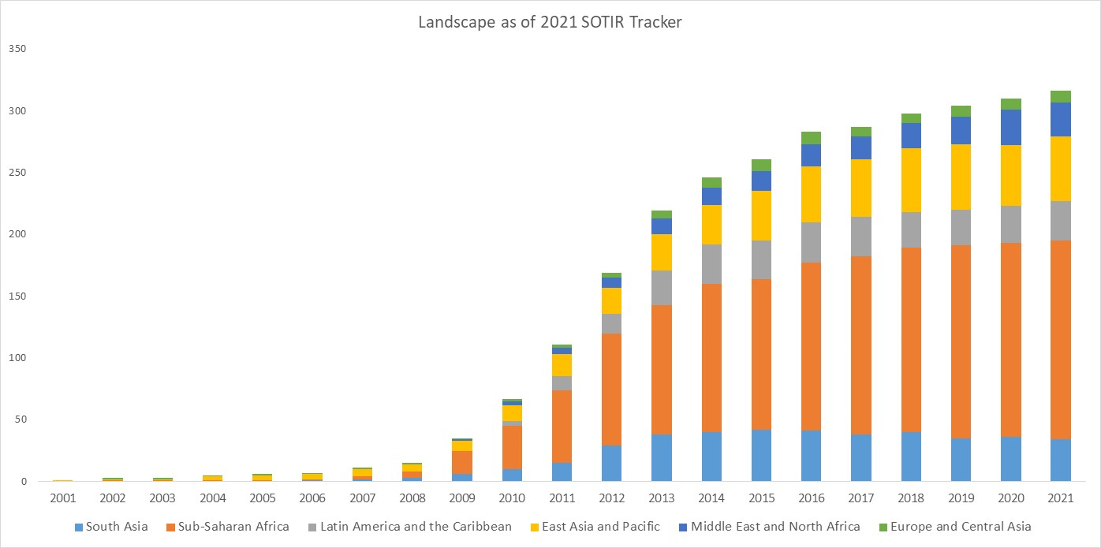
Back to Contents
...
 |  |  |  |  | 2005 | 2006 | 2007 | 2008 | 2009 | 2010 | 2011 | 2012 | 2013 | 2014 | 2015 | 2016 | 2017 | 2018 | 2019 | 2020
 |  |  |  |  | 0 | 1 | 2 | 3 | 6 | 10 | 15 | 29 | 38 | 40 | 42 | 41 | 38 | 40 | 35 | 36
Sub-Saharan Africa | 0 | 1 | 1 | 1 | 1 | 1 | 2 | 5 | 19 | 35 | 59 | 91 | 105 | 120 | 122 | 136 | 144 | 149 | 156 | 157 | 161
Latin America and the Caribbean | 0 | 0 | 0 | 0 | 0 | 0 | 0 | 0 | 0 | 4 | 11 | 16 | 28 | 32 | 31 | 33 | 32 | 29 | 29 | 30 | 32
East Asia and Pacific | 1 | 1 | 1 | 3 | 4 | 4 | 6 | 6 | 8 | 13 | 18 | 21 | 29 | 32 | 40 | 45 | 47 | 52 | 53 | 49 | 52
Middle East and North Africa | 0 | 0 | 0 | 0 | 0 | 0 | 0 | 0 | 1 | 3 | 5 | 8 | 13 | 14 | 16 | 18 | 18 | 20 | 22 | 29 | 28
Europe and Central Asia | 0 | 1 | 1 | 1 | 1 | 1 | 1 | 1 | 1 | 2 | 3 | 4 | 6 | 8 | 10 | 10 | 8 | 8 | 9 | 9 | 9
Total | 1 | 3 | 3 | 5 | 6 | 7 | 11 | 15 | 35 | 67 | 111 | 169 | 219 | 246 | 261 | 283 | 287 | 298 | 304 | 310 | 316

Evolution of the mobile money landscape (includes information on new services launched and services closed/merged each year)

Agents
Back to Contents
 | Accessibility of mobile money services, by region
 | Timeframe: Quarters ending in December and June between 2011 and 2021

Active agents

* Sharing regional breakdown before December 2011 is not possible due to confidentiality restriction with the survey participants.
Regions | Dec-06 | Mar-07 | Jun-07 | Sep-07 | Dec-07 | Mar-08 | Jun-08 | Sep-08 | Dec-08 | Mar-09 | Jun-09 | Sep-09 | Dec-09 | Mar-10 | Jun-10 | Sep-10 | Dec-10
East Asia and Pacific
Europe and Central Asia
Latin America and the Caribbean
South Asia
Middle East and North Africa
Middle East
Northern Africa
Africa
Eastern Africa
Central Africa
Northern Africa
Southern Africa
Western Africa
Sub-Saharan Africa
Global | 29,108 | 31,565 | 34,238 | 36,407 | 38,597 | 40,805 | 44,007 | 47,335 | 51,359 | 57,831 | 63,324 | 71,950 | 89,237 | 100,685 | 148,311 | 162,508 | 179,124

Registered agents

* Sharing regional breakdown before December 2011 is not possible due to confidentiality restriction with the survey participants.
Regions | Dec-06 | Mar-07 | Jun-07 | Sep-07 | Dec-07 | Mar-08 | Jun-08 | Sep-08 | Dec-08 | Mar-09 | Jun-09 | Sep-09 | Dec-09 | Mar-10 | Jun-10 | Sep-10 | Dec-10
East Asia and Pacific
Europe and Central Asia
Latin America and the Caribbean
South Asia
Middle East and North Africa
Middle East
Northern Africa
Africa
Eastern Africa
Central Africa
Northern Africa
Southern Africa
Western Africa
Sub-Saharan Africa
Global | 73,895 | 78,664 | 84,398 | 91,143 | 99,249 | 103,573 | 109,529 | 116,515 | 124,217 | 135,881 | 141,977 | 153,507 | 176,669 | 191,538 | 314,293 | 331,665 | 349,612

*Unique agent outlets

* Sharing regional breakdown before December 2011 is not possible due to confidentiality restriction with the survey participants.
Regions | Dec-06 | Mar-07 | Jun-07 | Sep-07 | Dec-07 | Mar-08 | Jun-08 | Sep-08 | Dec-08 | Mar-09 | Jun-09 | Sep-09 | Dec-09 | Mar-10 | Jun-10 | Sep-10 | Dec-10
East Asia and Pacific
Europe and Central Asia
Latin America and the Caribbean
South Asia
Middle East and North Africa
Middle East
Northern Africa
Africa
Eastern Africa
Central Africa
Northern Africa
Southern Africa
Western Africa
Sub-Saharan Africa
Global

Accounts
Back to Contents
 | Adoption of mobile money services, by region
 | Timeframe: Quarters ending in December and June between 2011 and 2021

Active accounts (30 day)

Regions | Dec-06 | Mar-07 | Jun-07 | Sep-07 | Dec-07 | Mar-08 | Jun-08 | Sep-08 | Dec-08 | Mar-09 | Jun-09 | Sep-09 | Dec-09 | Mar-10 | Jun-10 | Sep-10 | Dec-10 | Mar-11 | Jun-11
East Asia and Pacific
Europe and Central Asia
* Sharing regional breakdown before December 2011 is not possible due to confidentiality restriction with the survey participants.
Latin America and the Caribbean
South Asia
Middle East and North Africa
Middle East
Northern Africa
Africa
Eastern Africa
Central Africa
Northern Africa
Southern Africa
Western Africa
Sub-Saharan Africa
Global | 221,464 | 255,927 | 333,218 | 502,002 | 747,708 | 1,005,564 | 1,428,101 | 1,914,677 | 2,385,000 | 3,033,795 | 3,768,092 | 4,334,224 | 5,160,083 | 6,102,561 | 7,879,285 | 9,512,798 | 10,472,734 | 11,785,114 | 13,172,205

Active accounts (90 day)

Regions | Dec-06 | Mar-07 | Jun-07 | Sep-07 | Dec-07 | Mar-08 | Jun-08 | Sep-08 | Dec-08 | Mar-09 | Jun-09 | Sep-09 | Dec-09 | Mar-10 | Jun-10 | Sep-10 | Dec-10 | Mar-11 | Jun-11
East Asia and Pacific
Europe and Central Asia
* Sharing regional breakdown before December 2011 is not possible due to confidentiality restriction with the survey participants.
Latin America and the Caribbean
South Asia
Middle East and North Africa
Middle East
Northern Africa
Africa
Eastern Africa
Central Africa
Northern Africa
Southern Africa
Western Africa
Sub-Saharan Africa
Global | - | - | - | - | - | - | - | - | - | - | - | - | - | - | - | - | - | - | -

Registered accounts

Regions | Dec-06 | Mar-07 | Jun-07 | Sep-07 | Dec-07 | Mar-08 | Jun-08 | Sep-08 | Dec-08 | Mar-09 | Jun-09 | Sep-09 | Dec-09 | Mar-10 | Jun-10 | Sep-10 | Dec-10 | Mar-11 | Jun-11
East Asia and Pacific
Europe and Central Asia
* Sharing regional breakdown before December 2011 is not possible due to confidentiality restriction with the survey participants.
Latin America and the Caribbean
South Asia
Middle East and North Africa
Middle East
Northern Africa
Africa
Eastern Africa
Central Africa
Northern Africa
Southern Africa
Western Africa
Sub-Saharan Africa
Global | - | - | - | - | - | - | - | - | - | - | - | - | - | - | - | - | - | - | -

Usage - Regional
Back to Contents
 | Usage of mobile money services - volume & value
 | Timeframe: Monthly data for March, June, September and December between 2006 and 2021

Global total transactions by volume

* Sharing regional breakdown before December 2011 is not possible due to confidentiality restriction with the survey participants.
Regions | Dec-06 | Mar-07 | Jun-07 | Sep-07 | Dec-07 | Mar-08 | Jun-08 | Sep-08 | Dec-08 | Mar-09 | Jun-09 | Sep-09 | Dec-09 | Mar-10 | Jun-10 | Sep-10 | Dec-10 | Mar-11 | Jun-11
East Asia and Pacific
Europe and Central Asia
Latin America and the Caribbean
South Asia
Middle East and North Africa
Middle East
Northern Africa
Africa
Eastern Africa
Central Africa
Northern Africa
Southern Africa
Western Africa
Sub-Saharan Africa
Total | 1,005,293 | 1,173,687 | 1,508,757 | 2,180,535 | 3,208,114 | 4,374,855 | 8,916,529 | 12,528,248 | 16,201,616 | 22,160,120 | 31,685,357 | 38,854,635 | 48,492,408 | 59,844,518 | 78,841,194 | 96,180,413 | 106,114,690 | 121,910,081 | 141,036,355

Global total transactions by value (USD)

* Sharing regional breakdown before December 2011 is not possible due to confidentiality restriction with the survey participants.
Regions | Dec-06 | Mar-07 | Jun-07 | Sep-07 | Dec-07 | Mar-08 | Jun-08 | Sep-08 | Dec-08 | Mar-09 | Jun-09 | Sep-09 | Dec-09 | Mar-10 | Jun-10 | Sep-10 | Dec-10 | Mar-11 | Jun-11
East Asia and Pacific
Europe and Central Asia
Latin America and the Caribbean
South Asia
Middle East and North Africa
Middle East
Northern Africa
Africa
Eastern Africa
Central Africa
Northern Africa
Southern Africa
Western Africa
Sub-Saharan Africa
Total | 57,899,693 | 66,583,599 | 80,404,114 | 105,583,796 | 145,605,577 | 195,505,970 | 273,368,446 | 375,034,082 | 480,082,151 | 621,484,269 | 897,402,654 | 1,128,148,810 | 1,337,257,844 | 1,653,294,300 | 2,122,683,568 | 2,525,699,813 | 2,725,542,014 | 3,076,714,111 | 3,360,636,183

Global average value per transaction (USD)

* Sharing regional breakdown before December 2011 is not possible due to confidentiality restriction with the survey participants.
Regions | Dec-06 | Mar-07 | Jun-07 | Sep-07 | Dec-07 | Mar-08 | Jun-08 | Sep-08 | Dec-08 | Mar-09 | Jun-09 | Sep-09 | Dec-09 | Mar-10 | Jun-10 | Sep-10 | Dec-10 | Mar-11 | Jun-11
East Asia and Pacific
Europe and Central Asia
Latin America and the Caribbean
South Asia
Middle East and North Africa
Middle East
Northern Africa
Africa
Eastern Africa
Central Africa
Northern Africa
Southern Africa
Western Africa
Sub-Saharan Africa

Global average transaction per active account (30 day)

* Sharing regional breakdown before December 2011 is not possible due to confidentiality restriction with the survey participants.
Regions | Dec-06 | Mar-07 | Jun-07 | Sep-07 | Dec-07 | Mar-08 | Jun-08 | Sep-08 | Dec-08 | Mar-09 | Jun-09 | Sep-09 | Dec-09 | Mar-10 | Jun-10 | Sep-10 | Dec-10 | Mar-11 | Jun-11
East Asia and Pacific
Europe and Central Asia
Latin America and the Caribbean
South Asia
Middle East and North Africa
Middle East
Northern Africa
Africa
Eastern Africa
Central Africa
Northern Africa
Southern Africa
Western Africa
Sub-Saharan Africa

Usage - Product
Back to Contents
Usage of mobile money services - Volume & value in December 2021 - Regional Level
Timeframe: Monthly data for December 2021
...
Airtime top-up | Bill payment | Bulk disbursement | Cash-in | Cash-out | International remittance | Merchant payment | P2P transfer
167,774,983 | 34,275,306 | 10,976,614 | 127,360,149 | 27,699,265 | 344,316 | 111,633,705 | 141,325,086
9,136,388 | 2,649,497 | 304,032 | 7,143,352 | 4,286,437 | 55,686 | 858,739 | 1,200,887
15,111,201 | 6,404,046 | 9,661,966 | 18,115,162 | 12,502,752 | 126,300 | 612,508 | 25,161,258
255,776,888 | 53,468,342 | 22,897,214 | 123,911,340 | 77,141,217 | 239,585 | 63,903,867 | 208,438,071
12,902,011 | 2,623,109 | 368,305 | 2,393,094 | 1,656,980 | 360,387 | 769,940 | 3,143,471
...

